Guidelines
Emotion annotation task - Guidelines

The task is to annotate a concept and a corresponding sentence with an emotion.
Before you read the instructions, take a look at Plutchik's emotion wheel on the right side. It contains 8 emotion classes. You can find the category names in the middle tier. They are.
joy, trust, fear, surprise, sadness, disgust, anger, and anticipation.

In the A column, you can find a concept. This can be a noun-pair, a noun with a modifier, a noun with a prepositional object, or a predicate and object.
In the B column, you answer the question "Is the concept associated with an emotion?". You answer yes, if you find that the concept evokes or is associated with any emotion at all.
You answer no, if the concept doesn't evoke any emotion.
You only need to answer the question in the C column if you answered 'yes' in the B column. If you answered 'yes', then you specify which emotion the concept is associated with.
You can select the 8 emotions in the middle tier of Plutchik's emotion wheel on the side: joy, trust, fear, surprise, sadness, disgust, anger, and anticipation.
If you are unsure, refer back to the wheel, e.g. annoyance is listed in the 'anger' category.
In the D column, you can find a sentence (in all lower-case), in which the concept appears.
In the E column, you answer the question if the concept is associated with an emotion in the context of the sentence? Again, you answer 'yes', if you find that the concept evokes or is associated
with an emotion any at all in the context of the sentence. You answer no, if it doesn't evoke any emotion in the sentence.
In the F column, you specify the emotion that you thought of if you answered 'yes' in the previous (E) column. Again, the emotion should be one of the 8 emotions in the emotion wheel.
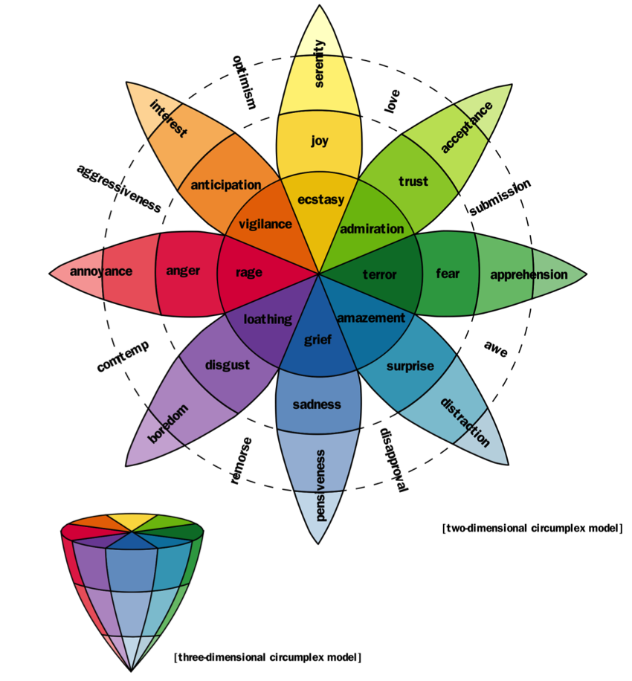
Sorry if this is a bit hard to follow up to now. It should become a lot clearer if you take a look at the examples below:

A | B | C | D | E | F
Concept | Is the concept associated with an emotion? | If so, with which emotion is it associated? | Sentence | Is the concept associated with an emotion in the sentence? | If so, with which emotion is it associated?
new violence | yes | fear | Inhabitants of the city choose to stay in their houses, many saying that they are afraid of the new violence that has recently erupted. | yes | fear
small puppy | yes | joy | He cried the whole day, sad about the tragic death of his small puppy. | yes | sadness
tie shoelace | no |  | He was incredibly happy about finally being able to tie his shoelaces. | yes | joy
rise in:power | yes | anticipation | Many are amazed that is rise in:power was so meteoric. | yes | surprise
spinach | no |  | After many interviews, the researches arrived at the conclusion that a big part of the population, does -- indeed -- dislike spinach. | yes | disgust

New violence' is clearly associated with fear; it could also be associated with anticipation. The sentence is associated with fear.
Small puppy' is associated with joy. In the sentence, however, it is rather associated with sadness.
Tie shoelace' is not obviously associated with any emotion; it might be associated with trust. In the sentence, it is associated with joy.
Rise in:power' might be something that is anticipated; it could also be feared or enjoyed. In the sentence, surprise is the associated emotion.
Spinach' is not obviously associated with any emotion. In the sentence, it is clearly an object of digust.

Try to be mindful about associations that are not as obvious as fear or joy, e.g. trust, anticipation, anger. Try to ask yourself if this concept would evoke any of the available emotions in you.
As coreference resolution has been applied, on some occassions, the concept might be referred to in the sentence as a pronoun. In this case, just treat the pronoun as the concept.
If you find any errors in the data, if you had particular difficulties in choosing an emotion, or if there are other issues you want to raise, please put it in the 'comment' column.

